Questions
Use the data in the Transactions worksheet to answer the questions below |  |  | Question 2:
The data represents the sales transactions for trainings conducted in the fiscal years 2016 |  |  | In the Report worksheet. create a summary showing the total revenue generated per program
and 2017 for Ruku Analytics Ltd. |  |  | for each of the two years and present the same in a chart similar to the one shown below
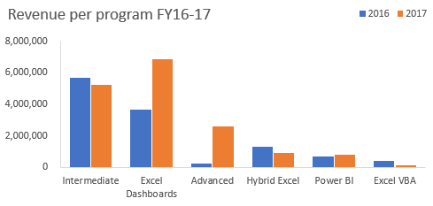
Question 1:
Use a function/formula to populate the following columns:
 | a) | Unit Price -this is based on the price matrix per program given on the Transactions worksheet
 | b) | Sales Amount
 | c) | Year & Month columns based on the transaction date
 | d) | Customer Loading column. This should combine the client code and the client name as shown
 |  | in the image below
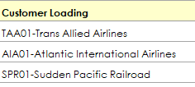

 |  |  | Question 3:
 |  |  | From the chart created in question 2, the share of Power BI is marginal.
 |  |  | The products manager of DC Analytics Ltd feels if efforts are enhanced this program has the
 |  |  | potential to be a main revenue earner.
 |  |  | Please advise the manager on some of the strategies he can implement to achieve this goal. Type your thoughts below
 |  |  | 1) manager should introduce fees discount inorder to attract more students. 2) He/she should advertise this program on different social media platforms. 3)manager should suspend excel VBA which has generated least revenue in both years and better power Bi. 4)increase labor force for efficient operation of the program

Sheet1
Revenue per program for year 2016-2017

Sum of Sales Amount | Column Labels
 | 2016 | 2017 | Grand Total

Row Labels
Excel Dashboards | 3657445 | 6849397 | 10506842
Intermediate | 5668540 | 5218060 | 10886600
Advanced | 264600 | 2623950 | 2888550
Hybrid Excel | 1315560 | 900120 | 2215680
Power BI | 677990 | 813588 | 1491578
Excel VBA | 435200 | 163200 | 598400
Grand Total | 12019335 | 16568315 | 28587650

Report
Sum of Sales Amount | Column Labels
 | 2016 | 2017 | Grand Total

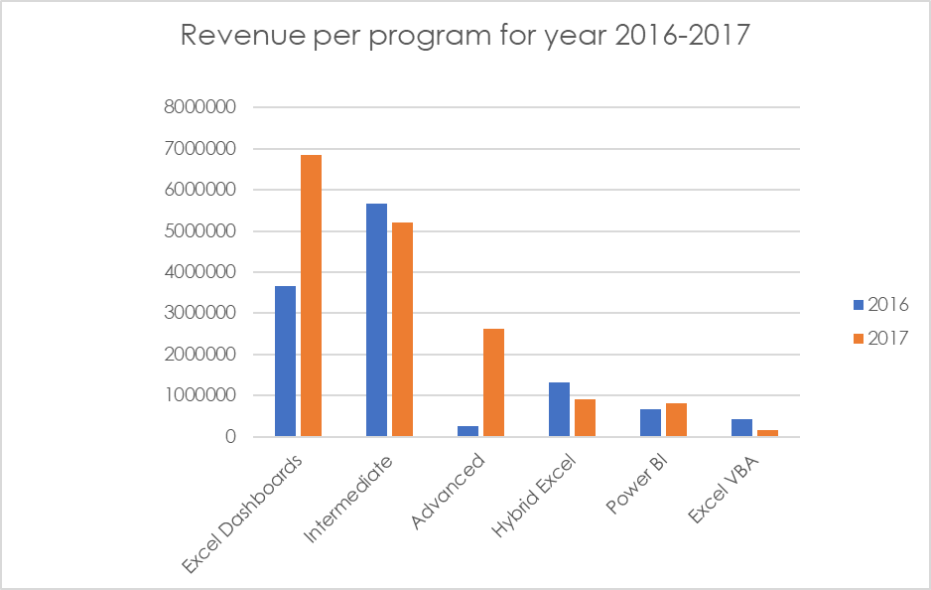
Row Labels
Excel Dashboards | 3657445 | 6849397 | 10506842
Intermediate | 5668540 | 5218060 | 10886600
Advanced | 264600 | 2623950 | 2888550
Hybrid Excel | 1315560 | 900120 | 2215680
Power BI | 677990 | 813588 | 1491578
Excel VBA | 435200 | 163200 | 598400
Grand Total | 12019335 | 16568315 | 28587650

